UI_N
 |  |  |  |  |  |  | RUB :RUONIA OIS_1W | RUB :RUONIA OIS_2W | RUB :RUONIA OIS_1M | RUB :RUONIA OIS_2M | RUB :RUONIA OIS_3M | RUB :RUONIA OIS_6M | RUB :RUONIA OIS_9M | RUB :RUONIA OIS_12M | RUB :RUONIA OIS_2Y | RUB :RUONIA OIS_3Y | RUB :RUONIA OIS_4Y | RUB :RUONIA OIS_5Y | RUB :RUONIA OIS_6Y | RUB :RUONIA OIS_7Y | RUB :RUONIA OIS_8Y | RUB :RUONIA OIS_9Y | RUB :RUONIA OIS_10Y
 |  |  |  |  |  |  | 1W | 2W | 1M | 2M | 3M | 6M | 9M | 12M | 2Y | 3Y | 4Y | 5Y | 6Y | 7Y | 8Y | 9Y | 10Y
Underlying | Snapshot |  |  |  | Actual date | 2023-07-03 | 7.50 | 7.50 | 7.68 | 7.84 | 7.93 | 8.27 | 8.48 | 8.70 | 9.38 | 9.77 | 9.93 | 10.00 | 10.06 | 10.12 | 10.19 | 10.25 | 10.31
RUB :RUONIA OIS | 11:00:00 |  |  |  | Previous date | 2023-06-30 | #N/A | #N/A | #N/A | #N/A | #N/A | #N/A | #N/A | #N/A | #N/A | #N/A | #N/A | #N/A | #N/A | #N/A | #N/A | #N/A | #N/A
 | 19:00:00 |  |  |  | Previous week | 2023-06-26 | #N/A | #N/A | #N/A | #N/A | #N/A | #N/A | #N/A | #N/A | #N/A | #N/A | #N/A | #N/A | #N/A | #N/A | #N/A | #N/A | #N/A
 |  |  |  |  | Diff day |  | #N/A | #N/A | #N/A | #N/A | #N/A | #N/A | #N/A | #N/A | #N/A | #N/A | #N/A | #N/A | #N/A | #N/A | #N/A | #N/A | #N/A
 |  |  |  |  | Diff week |  | #N/A | #N/A | #N/A | #N/A | #N/A | #N/A | #N/A | #N/A | #N/A | #N/A | #N/A | #N/A | #N/A | #N/A | #N/A | #N/A | #N/A

Curve
bp diff
 | KR MEETINGS
 | JUN23 | 12-Jun-23
 | JUL23 | 24-Jul-23
 | SEP23 | 18-Sep-23
 | OCT23 | 30-Oct-23
 | DEC23 | 18-Dec-23
 | FEB24 | 12-Feb-24
 | MAR24 | 18-Mar-24
 | APR24 | 30-Apr-24
 | JUN24 | 12-Jun-24
 | JUL24 | 22-Jul-24

 |  |  |  |  |  |  | FX: FX Spot: CNY/RUB: TOM: MOEX | FX: FX Spot: EUR/RUB: TOM: MOEX | FX: FX Spot: USD/RUB: TOM: MOEX
 |  |  |  | CNY/RUB | EUR/RUB | USD/RUB
 | Current |  |  | 12.2625 | 96.9125 | 89.10875
Underlying | Actual date | 2023-07-03 | 3 | 12.26 | 96.91 | 89.11
FX SPOTS | Previous date | 2023-06-30 | #N/A | #N/A | #N/A | #N/A
 | Previous week | 2023-06-26 | #N/A | #N/A | #N/A | #N/A
 | Diff day |  |  | #N/A | #N/A | #N/A
 | Diff week |  |  | #N/A | #N/A | #N/A

HelpfulLinks
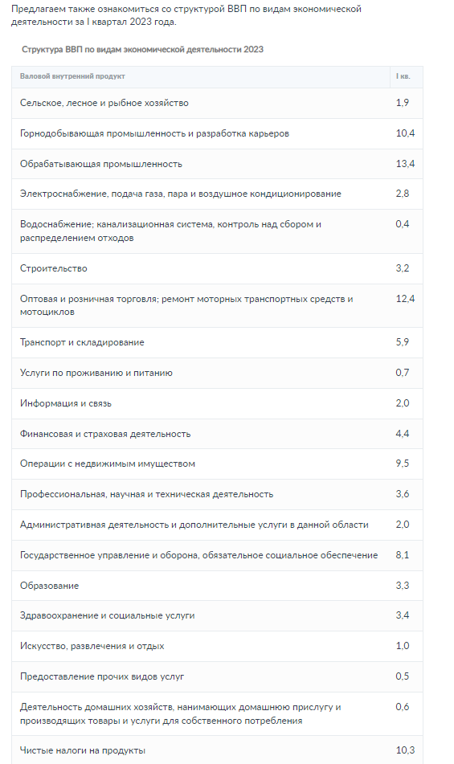
https://bankiros.ru/wiki/term/struktura-vvp-rossii-po-otraslam

IR Vols
66
KEY RATE | 1M | 2M
2023-06-30 | 0.098914882415 | 0.84066804733
 | 2Y
6/30/2023 | 1.8244469469
6/27/2023 | 1.8402147429
6/26/2023 | 1.8819540631
6/23/2023 | 1.8795676639
6/22/2023 | 1.8851774971
6/21/2023 | 1.8854631214
6/20/2023 | 1.8837703388
6/16/2023 | 1.8777475896
6/15/2023 | 1.8796009666
6/14/2023 | 1.8707958499
6/13/2023 | 1.7981291635
6/9/2023 | 1.7869971413
6/8/2023 | 1.7522262457
6/7/2023 | 1.7520805728
6/6/2023 | 1.7756205884
6/5/2023 | 1.7821234154
6/2/2023 | 1.7672809167
6/1/2023 | 1.7447159092
5/30/2023 | 1.8810646083
5/29/2023 | 1.8779098029
5/26/2023 | 2.1692089515
5/25/2023 | 2.1826676665
5/24/2023 | 2.4401466829
5/23/2023 | 2.442688697
5/22/2023 | 2.4449760435
5/19/2023 | 2.4401446716
5/17/2023 | 2.4005717882
5/16/2023 | 2.4037162313
5/15/2023 | 2.393942063
5/12/2023 | 2.3976439408
5/11/2023 | 2.3899684607
5/10/2023 | 2.3420309406
5/5/2023 | 2.3321831013
5/4/2023 | 2.3420798396
5/3/2023 | 2.3874613412
5/2/2023 | 2.3935195024
4/28/2023 | 2.4036183169
4/27/2023 | 2.4033645039
4/26/2023 | 2.4041366247
4/25/2023 | 2.4103456286
4/24/2023 | 2.4228527343
4/21/2023 | 2.4174402543
4/20/2023 | 2.3866457305
4/19/2023 | 2.3942766316
4/18/2023 | 2.3962295523
4/17/2023 | 2.4129507888
4/14/2023 | 2.4239191484
4/13/2023 | 2.4208282647
4/12/2023 | 2.6126307485
4/11/2023 | 2.6136221383
...
2023-06-27 | 0.060918567805 | 0.84093396705
2023-06-26 | 0.054108526513 | 0.84097581182
2023-06-23 | 0.06515857893 | 0.97314010979
2023-06-22 | 0.057109925267 | 0.9749028723
2023-06-21 | 0.057176908893 | 0.98102066872
2023-06-20 | 0.057169732937 | 0.98103203512
2023-06-16 | 0.057202808098 | 0.95494222922
2023-06-15 | 0.057073904876 | 0.96041394411
2023-06-14 | 0.40814902663 | 1.031387484
2023-06-13 | 0.40813126966 | 1.0313922973
2023-06-09 | 0.4354800953 | 0.82159435616
2023-06-08 | 0.43599762658 | 0.82229576533
2023-06-07 | 0.47817887204 | 1.0875081051
2023-06-06 | 0.54972122286 | 1.0896429262
2023-06-05 | 0.55126471348 | 1.0903851112
2023-06-02 | 0.55125698826 | 1.0879652015
2023-06-01 | 0.55397236413 | 1.0891655181
2023-05-30 | 0.55397067422 | 1.3143367592
2023-05-29 | 0.55397072769 | 1.315268737
2023-05-26 | 0.55397091406 | 1.314523767
2023-05-25 | 0.55397044129 | 1.3143379175
2023-05-24 | 0.55394954749 | 1.3152835889
2023-05-23 | 0.55396516977 | 1.3154917833
2023-05-22 | 0.55401041997 | 1.4461554597
2023-05-19 | 0.55400381119 | 1.4451709771
2023-05-17 | 0.55396103696 | 1.4451447763
2023-05-16 | 0.55396163525 | 1.4451433012
2023-05-15 | 0.55395728075 | 1.4450618929
2023-05-12 | 0.55395350256 | 1.4446705707
2023-05-11 | 0.55395341585 | 1.4446604264
2023-05-10 | 0.55386519967 | 1.444661167
2023-05-05 | 0.55385650956 | 1.4446217028
2023-05-04 | 0.55849603738 | 1.5773839564
...

FX Vols
 | 3Y
6/30/2023 | 15.3%
6/27/2023 | 13.6%
6/26/2023 | 13.7%
6/23/2023 | 13.7%
6/22/2023 | 13.7%
6/21/2023 | 13.9%
6/20/2023 | 14.0%
6/16/2023 | 12.9%
6/15/2023 | 12.9%
6/14/2023 | 13.2%
6/13/2023 | 13.2%
6/9/2023 | 12.7%
6/8/2023 | 12.8%
6/7/2023 | 12.7%
6/6/2023 | 13.1%
6/5/2023 | 13.1%
6/2/2023 | 13.0%
6/1/2023 | 12.7%
5/30/2023 | 12.7%
5/29/2023 | 12.7%
5/26/2023 | 12.7%
5/25/2023 | 12.7%
5/24/2023 | 12.8%
5/23/2023 | 12.9%
5/22/2023 | 13.0%
5/19/2023 | 13.8%
5/17/2023 | 13.8%
5/16/2023 | 13.7%
5/15/2023 | 14.1%
5/12/2023 | 13.7%
5/11/2023 | 13.6%
5/10/2023 | 13.5%
5/5/2023 | 13.2%
5/4/2023 | 13.2%
5/3/2023 | 12.7%
5/2/2023 | 12.7%
4/28/2023 | 12.6%
4/27/2023 | 12.3%
4/26/2023 | 12.2%
4/25/2023 | 12.3%
4/24/2023 | 12.3%
4/21/2023 | 12.3%
4/20/2023 | 12.4%
4/19/2023 | 12.8%
4/18/2023 | 12.9%
4/17/2023 | 13.7%
4/14/2023 | 13.5%
4/13/2023 | 14.8%
4/12/2023 | 15.7%
4/11/2023 | 15.8%
...
66 | VOLS
 | CNHRUB | Spot | 1M | 3M | 6M | 9M
 | 2023-06-30 | 14.8% | 14.9% | 15.0% | 15.1% | 15.2%
 | 2023-06-27 | 12.0% | 12.0% | 12.1% | 12.3% | 12.3%
 | 2023-06-26 | 12.0% | 12.1% | 12.1% | 12.3% | 12.4%
 | 2023-06-23 | 12.1% | 12.1% | 12.2% | 12.4% | 12.4%
 | 2023-06-22 | 12.1% | 12.1% | 12.2% | 12.4% | 12.4%
 | 2023-06-21 | 12.1% | 12.1% | 12.2% | 12.4% | 12.4%
 | 2023-06-20 | 12.0% | 12.1% | 12.1% | 12.3% | 12.4%
 | 2023-06-16 | 12.0% | 12.1% | 12.1% | 12.2% | 12.2%
 | 2023-06-15 | 12.0% | 12.1% | 12.1% | 12.2% | 12.2%
 | 2023-06-14 | 12.1% | 12.1% | 12.1% | 12.3% | 12.2%
 | 2023-06-13 | 12.1% | 12.2% | 12.2% | 12.3% | 12.3%
 | 2023-06-09 | 11.8% | 11.9% | 11.9% | 12.0% | 12.0%
 | 2023-06-08 | 11.9% | 12.0% | 12.0% | 12.1% | 12.1%
 | 2023-06-07 | 11.9% | 11.9% | 11.9% | 12.1% | 12.0%
 | 2023-06-06 | 12.3% | 12.4% | 12.3% | 12.5% | 12.4%
 | 2023-06-05 | 12.3% | 12.4% | 12.4% | 12.5% | 12.4%
 | 2023-06-02 | 12.2% | 12.2% | 12.2% | 12.3% | 12.3%
 | 2023-06-01 | 12.0% | 12.1% | 12.0% | 12.2% | 12.1%
 | 2023-05-30 | 12.1% | 12.1% | 12.1% | 12.2% | 12.2%
 | 2023-05-29 | 12.1% | 12.1% | 12.1% | 12.2% | 12.2%
 | 2023-05-26 | 12.1% | 12.1% | 12.1% | 12.2% | 12.2%
 | 2023-05-25 | 12.1% | 12.1% | 12.1% | 12.2% | 12.2%
 | 2023-05-24 | 12.1% | 12.1% | 12.1% | 12.2% | 12.2%
 | 2023-05-23 | 12.1% | 12.1% | 12.1% | 12.2% | 12.2%
 | 2023-05-22 | 12.2% | 12.2% | 12.2% | 12.3% | 12.3%
 | 2023-05-19 | 12.7% | 12.8% | 12.8% | 12.9% | 12.9%
 | 2023-05-17 | 12.7% | 12.8% | 12.8% | 12.9% | 12.9%
 | 2023-05-16 | 12.6% | 12.6% | 12.6% | 12.8% | 12.8%
 | 2023-05-15 | 12.6% | 12.6% | 12.6% | 12.7% | 12.7%
 | 2023-05-12 | 12.0% | 12.1% | 12.0% | 12.2% | 12.2%
 | 2023-05-11 | 11.9% | 12.0% | 11.9% | 12.1% | 12.1%
 | 2023-05-10 | 11.9% | 11.9% | 11.9% | 12.0% | 12.0%
...

